Pivot Table 3
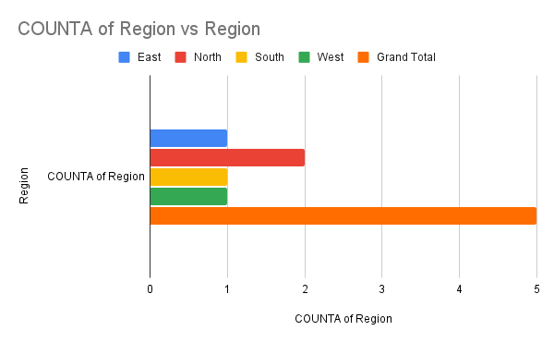

Pivot Table 4
SUM of Total Sales vs Region

